Panama - Homicides
Panama - Homicides

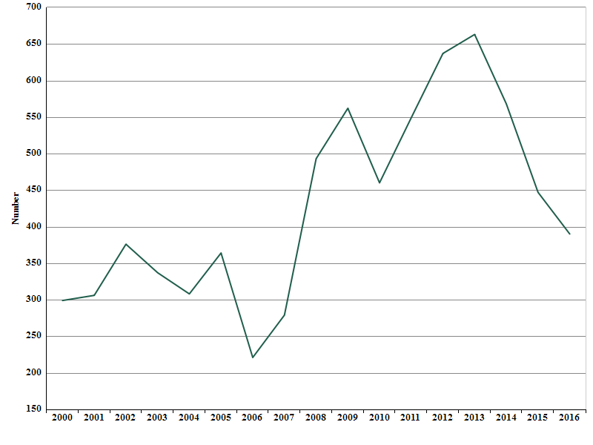

Source:

Created with knoema.com

Panama - Homicides-1
Panama - Homicides

 | Homicide, Count - Panama
2000 | 299
2001 | 306
2002 | 376
2003 | 337
2004 | 308
2005 | 364
2006 | 221
2007 | 279
2008 | 493
2009 | 562
2010 | 460
2011 | 549
2012 | 637
2013 | 663
2014 | 568
2015 | 447
2016 | 390

Source:

Created with knoema.com

